Overview
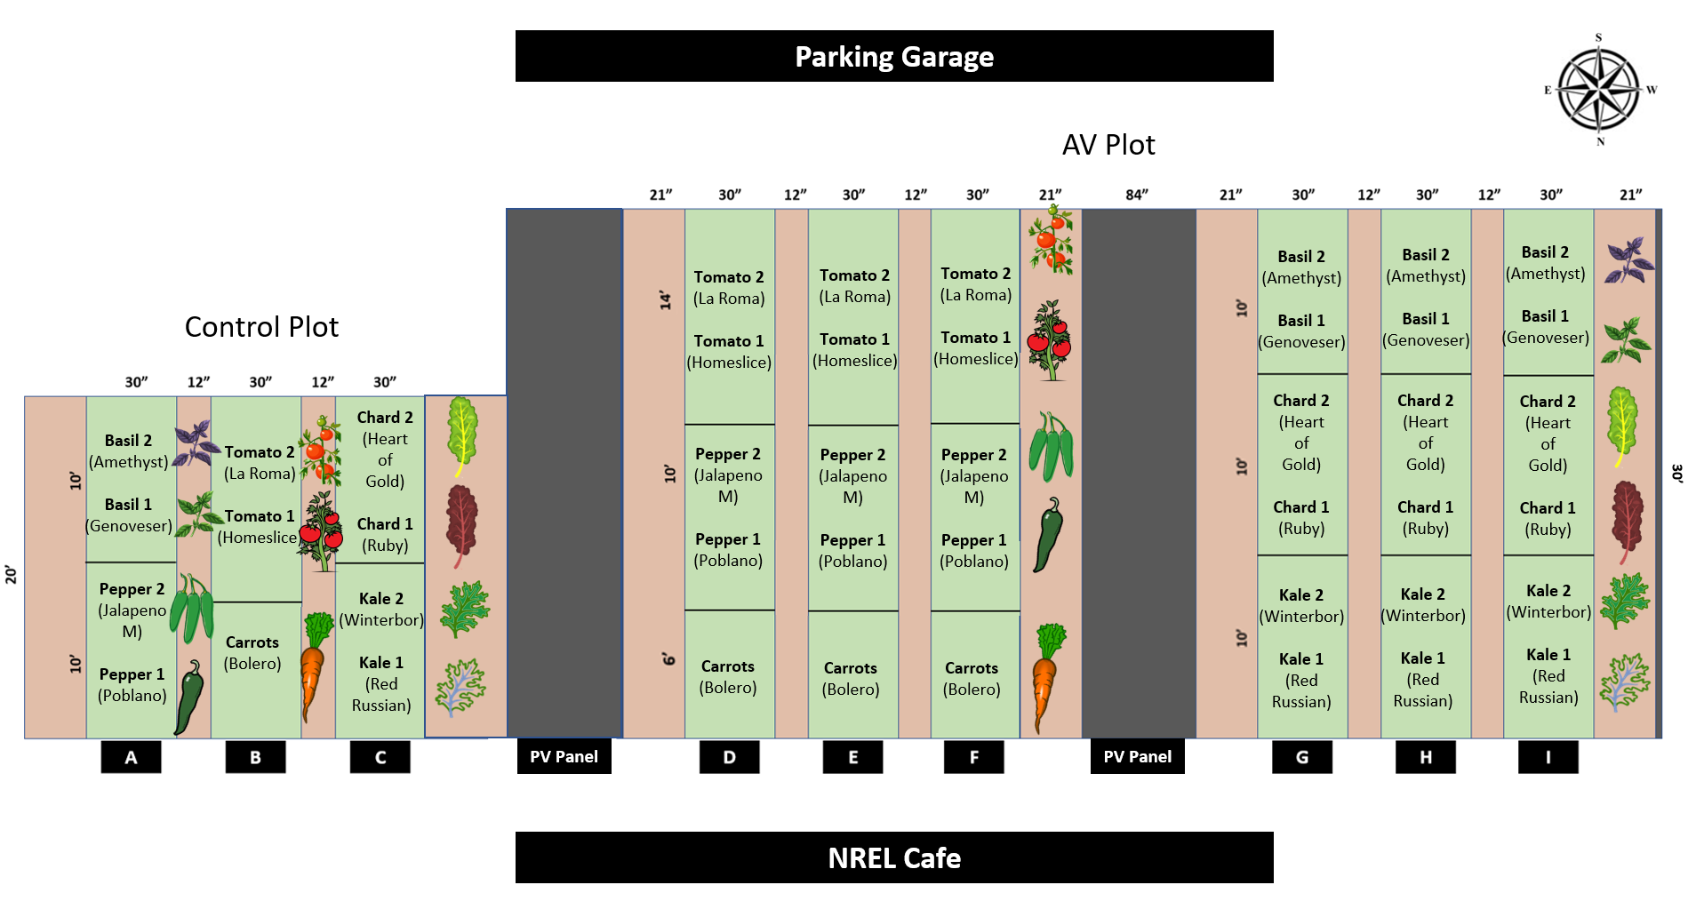
Crop | Variety | Planting Date | Start # of plants | Beds | End # of plants
Tomato 1 | Tasmanian Chocolate | 2024-05-29 | 7
Tomato 2 | Sunrise Sauce | 2024-05-29 | 7
Pepper 1 | Baron - Poblano | 2024-05-29 | 9
Pepper 2 | Jedi - Jalapeno | 2024-05-29 | 9
Basil 1 | Genoveser | 2024-05-29 | 9
Basil 2 | Amethyst | 2024-05-29 | 9
Kale 1 | Red Russian | 2024-05-29 | 9
Kale 2 | Darkibor | 2024-05-29 | 9
Chard 1 | Heart of Gold | 2024-05-29 | 9
Chard 2 | Ruby | 2024-05-29 | 9
Carrots | Bolero | 2024-06-04 | DS: 6' x 3 rows
Arugula | Rocket | 2024-08-28
Radish 1 | Red | 2024-08-28
Radish 2 | Easter egg | 2024-08-28
Cilantro |  | 2024-08-28

